Sheet 1
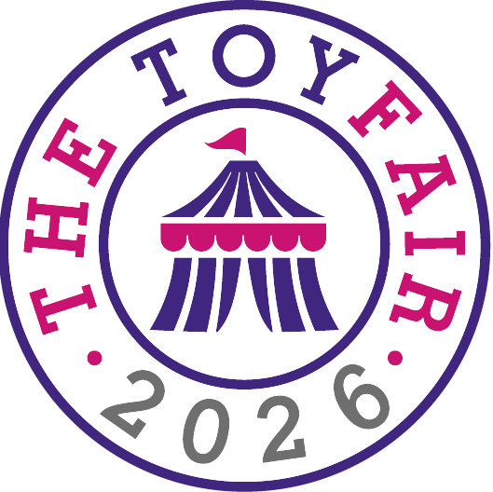
Exhibiting name | Stand
8th wonder ltd | E21
A.B.Gee Of Ripley LTD | B40
Alley Cat Games | GZ19
Alpha Toys Ltd | D2
ANCORY TOYS | GZ02
Asmodee UK | N12
Aurora World | D35
Bandai Namco Toys & Hobby | N17
Basic Fun! | N15
Battat | N1
Bigjigs Toys Ltd | G30, G40
Big Potato Games | D21
Big Sky Games Limited | N20
Bitter Rivals | GZ04
Bladez Toyz | E35
Bliss Distribution | E100
BOLDCUBE Scooters | UL192
Brainstorm Ltd | E79
BTHA Exhibiting Members Lounge | UL205 | UL205
BTL Diffusion UK Ltd | E46
Buddy and Barney Ltd | GZ01
Buki France | UL184
Canal Toys | E69
Carat Shop | UL160
Carrera Revell UK Ltd | UL100
Cartamundi UK Ltd | F70
Casdon Ltd | E30
Character Options | N16
Cheatwell Games | E20
Circana (UK) Limited | UL146
Clarendon Games | UN60
Clementoni UK Ltd | N14
Click | N19
COBI | N21
Coiledspring Games | N10
COLLECT AND DISPLAY | UN43
CONNETIX & My Creative Box | UN68
CORE Action Sports | UL220
Craze | UN75
Craft Buddy Limited | E2
Cryptic Killers | UL157
Curious Universe | D38
Daler-Rowney | UL200
dantoy | UN48
Djeco | UL102
DKB Toys and Distribution | UL128
Dolu | B100
Eastar Game Manufacturing | UN55
Educating AMY Ltd | UN30
ED.UK.8 Worldwide Ltd. | F1
Edx Education UK | B36
Epoch Making Toys | N7
ETERNITY GOAL LIMITED | UL190
EXG Pro | N5
Fanatics Collectibles | F30
Fanattik - Gifts & Collectibles | UN39
Fancy Packaging and Toys | GZ03
FKA Brands Ltd - Motordayz RC | UN36
FROG HALL GAMES | B41
Funko | N3
Funrise | F90
Galt (part of the Jumbo Group) | E9
GB Posters & Merchandise | UN57
Gen42 Games | GZ08
Getretro.co.uk | D10
Gibsons Games | E15
Gleeworld Ltd. | UL185
GOSH! | GZ10
GP UK | E39
Grand Hall Lounge | G10 | G10
Hachette Boardgames | UL123
Halilit | E16
heo | B85
Hooga Playroom | GZ12
House of Marbles | G50
HUFFY | F16
Hunter Price International Ltd | UL110
IGLOO | UL140
Insect Lore | G20
Invisible Typewriter | GZ11
Jazwares | N8
Jiangsu Runshi Light & Textile Industry Group Co., Ltd. | GZ20
John Adams Leisure Limited | N6
John Leisure Ltd | F65
Jo & Nic's Crinkly Cloth Books | GZ07
Jumpa Limited | H50
Just Play | B90
KAP TOYS | UN66
Kassa Products / Purple Peach Stickers | UN82
Keel Toys | F10
Kenji UK Ltd | UN59
Khadou | F22
KidAntics Limited | D25
Kids in Mind | UL202
Konami Digital Entertainment B.V. | UN51
KTL | B80
Lake Press | GZ15
Lanka Kade (UK) Ltd | F41
Learning Resources | D30
Left-Field toys | E68
Le Toy Van | F36
lexibook | E95
Lip Smacker | UN84
Little Acorn Games | GZ17
littleCONCEPTS | B44
Magicbox | E45
Make Time 2 Play Lounge | UN50 | UN50
Maped Juratoys | N2
Marvin's Magic & Marvin's Distribution | G60 H90
Max and Ivy | GZ18
MCHUGS | G65
Meet The Pods | GZ14
Mighty Jaxx | UL126
Mojo Fun Limited | UL141
Mojo Nation | B38
momo-toko | UN54
Mookie Toys | F75
MV Sports & Leisure | E75
NDA Toys | UL120
N Smith Packaging & Display | UL156
Nice Group | G12
Noxxiez UK | UL155
One For Fun | E49
OOLY | GZ06
ORCHARD TOYS | E10
Paper Engine Ltd | UL195
Paper Projects Ltd. | B75
Pavilion Distribution Ltd | UL147
Peers Hardy | UN76
Peg Perego | UL122
pilsan toys | UL162
Playmobil UK Ltd | UL206
Playtime Lounge | G92
Plum Play | G15
Plus-Plus | B19
Posh Paws International | B60
Precisify Lounge | UL130 | UL130
Press Office & Toy Fair's Hero Toys Display | UN80
Professor Puzzle and Ginger Fox | B26
Progressive Preschool Magazine | B39
Puremind | E14
Puzzle Post | B24
Quarto | UN49
Quokkaville | UN45
Rachel Lowe Games & Puzzles | UL142
RAINBOW DESIGNS LTD | B25
RAINBOW DESIGNS LTD | B21
Ralbru | UN44
Ravensburger LTD | N13
Reydon Sports PLC | UN78
Robbie Toys Limited | UN70
Rubies Masquerade / Smiffys | N25
Sales Sprint Global | UN47
SES CREATIVE | E22
Simba Smoby UK | B50
SINCO TOYS LTD | UW70
Skillmatics | UL152
Sluban UK & Ireland | G8
SMART | F42
Smart Zone Limited | F25
Speks | G1
Spin Master Toys | UW50
SQUEEK | GZ21
STAR-IMAGES | E40
Storytime Media Café | N4
Storytime Media Lounge | N18
Strong Point Games | UN58
SuperAwesome Lounge | UL180
SUPREME EVA INDUSTRIES SDN. BHD. | UN52
SURREAL ENTERTAINMENT LLC | UN31
Sussed Games | H40
Target Darts | UL218
TEKNOFUN | F66
Teleview Marketing Ltd | H36
Thames and Kosmos | F15
The Generation Media Cafe | E113 | E113
The LEGO Group | UW30, UW10, UW20
The Mystery Agency | UL158
The Noble Collection | UL175
The Puppet Company & Wilberry Toys | H46
The Source Wholesale | UL143
The Toymaster Members' Lounge | UL149 | UL149
Thumbs Up! | H52
TKC Sales Ltd | E90
tokidoki | G93
tonies | F50
TOPBRIGHT Toys | UN37
Toy Connect | GZ05
Toy Fair TV | UL154
Toys 'n' Playthings | E1
Toytopic | G94
Toy Trust Lounge | UL161 | UL161
Toy World | B23
Trends UK | E66
Ty | UL119
University Games | E50
Upper West Hall Lounge | UW60
Vivid Goliath | B70
VR Distribution (UK) Ltd | E47
VTech/LeapFrog | N9
Whiz Kid Games | UL188
Wigston Global | UN35
Wild Card Games | B37
Wild Republic Europe APS | UN53
Wilton Bradley | E98
Wilton Bradley | E89
WIND DESIGNS LTD | D11
Winning Moves | F40
WobbleWorks | H42
Worgan Games | B43
Xplore Brands | UL105
Yancheng Vast Arts & Crafts Co., Ltd. | GZ16
Zatu Games | UN42
Zimpli Kids | B42
Zvezdar/Naruto Mythos TCG | G90

